Sheet1
KPI of Digital Marketing: Understanding Performance by Channel and Overall

Ultimate goals when evaluating performance
1) Evaluating customer aquisition costs overall and by channel
2) Understand customer retention and customer lifetime value

Part 1: Understanding customer acquisition overall and by channel

The best way to visualize how digital marketing works: Marketing Funnel |  |  |  |  |  |  |  | PROSPECTS
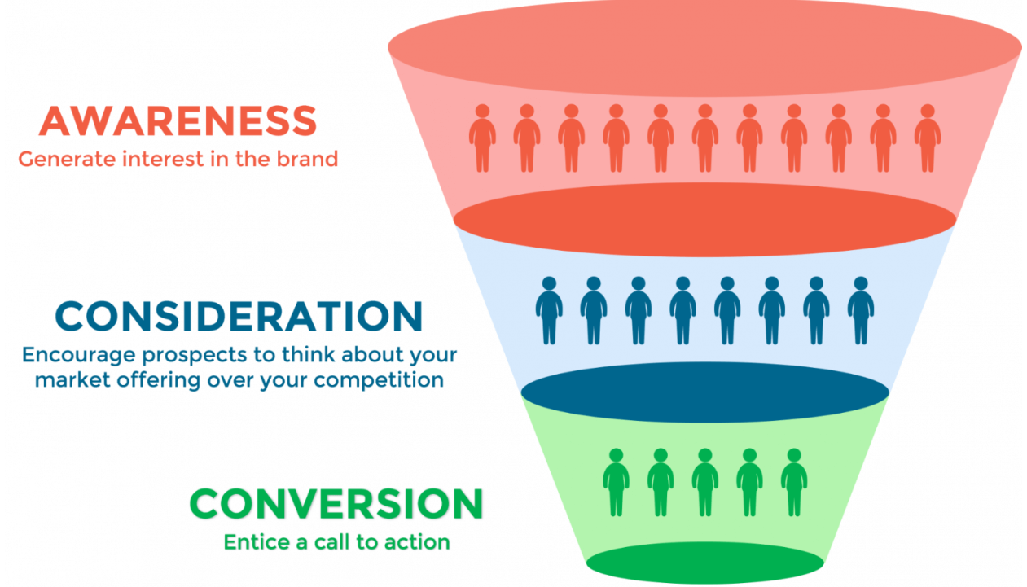
Top Funnel - Reaching new customer for the first time |  |  |  |  |  |  |  | Top
 |  |  |  |  |  |  |  | Awareness
Mid Funnel - Built relationship with customers and moving them closer to conversions |  |  |  |  |  |  |  | Mid
 |  |  |  |  |  |  |  | Consideration
Bottom Finnel - Conversions (purchases) |  |  |  |  |  |  |  | Bottom
 |  |  |  |  |  |  |  | Conversion

 |  |  |  |  |  |  |  | PURCHASERS
Funnels are widely different - dependent on the business
Examples of marketing channels by funnel area:
Top | Facebook ads, Events, etc
Mid | Emails
Bottom | Google ads, any remarketing

*Customer Aqusition Cost (CAC) Definition:
Total advertising spend to get one new customer to buy for the first time

*Why CAC is important?
Because almost all the paid marketing happens on the first purchase

CAC Channel Expectations
Top | Highest Cost
Mid | Moderate Cost
Bottom | Lower Cost

Case Study
FB ads are very expensive and business is loosing money on new order
Google ads are crusing it, and business is making good profit on every order

Question - Should we turn down facebook ads and increase budget on google ads

Example Dashboard - Paid Channels

*ROAS - Return On Ads Spend

 | Spend | Paid Rev | Paid ROAS | Paid Purchases | Paid CAC | *just attributed to paid channels
January | $7,500 | $28,500 | 3.8 | 180 | $41.7
Facebook | $5,000 | $12,500 | 2.5 | 85 | $58.8 | *top of funnel
Google | $2,500 | $16,000 | 6.4 | 95 | $26.3 | *bottom of funnel
February | $9,000 | $34,800 | 3.9 | 181 | $49.7
Facebook | $4,000 | $9,800 | 2.5 | 75 | $53.3 | *top of funnel
Google | $5,000 | $25,000 | 5.0 | 106 | $47.2 | *bottom of funnel
March | $11,000 | $39,000 | 3.5 | 200 | $55.0
Facebook | $3,500 | $9,000 | 2.6 | 70 | $50.0 | *top of funnel
Google | $7,500 | $30,000 | 4.0 | 130 | $57.7 | *bottom of funnel

Top of the funnel SHOULD have higher CAC, and can't be compared 1-1 to bottom of funnel CAC.

What about organic customers? Customers that buy for free (could be through search engines, word of mouth, email).

That's part of your funnel!! Those are conversions, with no spend associated. We need to build digital marketing KPIs that include those.

Example Dashboard: Overall Performance

*Blended = Paid + Organic
 |  |  |  | Total Purchases (All Channels)

 | Spend | Total Rev | Blended ROAS | New Clients | Returning | Blended CAC | *total for all channels
January | 7500 | 38500 | 5.13 | 370 | 50 | 20.27
February | 9000 | 45000 | 5.00 | 400 | 74 | 22.50
March | 11000 | 52500 | 4.77 | 375 | 96 | 29.33

Overall takeaway: to optimize the lowest overall blended CAC, you understand how each channel moves people through the funnel.
Rule of thumb: at least 60-75% of marketing spend is usually spent at the top of the funnel, as that balance yields optimal performance.

Ok - but how do we know what is a good CAC?

Part 2: understand customer retention and customer lifetime value

Core question: what is the highest CAC where we still make money on a customer?

That question can only be answered by analyzing one metric: Customer Lifetime Value!

LTV: the total gross profit that we expect to make from the lifetime purchases of the average customer.

Example:
Let's say our average customer spends $185 on an order (average order value, AOV).
And our gross profit margin is 65%. So gross profit on our first order is $185 * 65% = $120

Question: can we run our business with a $150 CAC? No way to know without understanding LTV.

Customer lifetime value calculation:
Let's say looking back historically at 3,000 customers, our average customer over their lifetime purchases 2.6 times.
So our customer lifetime revenue is 2.6 * $185 = $481
And our average customer lifetime value (gross profit) is $481 * 65% = $313

Question: so, can we spend $150 to acquire a new customer? The answer is absolutely yes.

We will lose money on the first order, but we will make it back and then become profitable in the subsequent orders.

